APP
/
ANNUAL PROCUREMENT PLAN FOR FY 2026
INDICATIVE FINAL UPDATED [Version No. _____]

PROCUREMENT PROJECT DETAILS |  |  |  |  |  | PROJECTED TIMELINE (MM/YYYY) |  | FUNDING DETAILS |  | PROCUREMENT STRATEGY OR TOOLS | REMARKS (Other relevant descriptions of the procurement project, if applicable)
Project Title | End-User or Implementing Unit | General Description of the Project | Mode of Procurement | To be covered by an Early Procurement Activity? (Yes/No) | Criteria for Bid Evaluation (Including Sustainability and Domestic Preference) | Start of Procurement Activity | End of Procurement Activity | Source of Fund | Estimated Budget / Approved Budget for the Contract (PhP)

Column 1 | Column 2 | Column 3 | Column 4 | Column 5 | Column 6 | Column 7 | Column 8 | Column 9 | Column 10 | Column 11 | Column 12
General Requirements
Three-Wheeled Vehicle | Admin | A three-wheeled vehicle designed for public transport of field personnel, providing safe, reliable, and efficient mobility. It features a durable frame, engine-powered propulsion, and a passenger seating area, suitable for narrow roads and frequent travel in urban or rural areas. | Small Value Procurement | No | Most Responsive Bid | 2nd QTr | 2nd QTr | Regular Agency Fund (0100000000) | 250,000.00 | Pooled Procurement | To be used in the day-to-day operation of the district
Improvement of LEWAD Office Building | Admin | Minor repair, rehabilitation, and improvement works to maintain the functionality, safety, and serviceability of the LEWAD office building. | Small Value Procurement | No | Most Responsive Bid | 2nd QTr | 2nd QTr | Regular Agency Fund (0100000000) | 1,300,000.00 | Pooled Procurement | For the improvement and rehabilitation of the LEWAD Office Building to ensure a safe, functional, and conducive working environment for employees and clients.

Miscellaneous Items (for Direct Acquisition only) Sec 32.2 of RA No. 12009
Machinery and Equipment | Admin | Procurement of various small-value machinery and equipment necessary for daily administrative and operational requirements, through Direct Acquisition. | Direct Acquisition | No | Most Responsive Bid | 3rd Qtr | 3rd Qtr. | Regular Agency Fund (0100000000) | 150,000.00 | Pooled Procurement | To be used in the day-to-day operation of the district
Improvement of Genset House | Admin | Minor repair and improvement works for the guard house to ensure security and operational efficiency. | Direct Acquisition | No | Most Responsive Bid | 2nd Qtr | 3rd Qtr. | Regular Agency Fund (0100000000) | 100,000.00 | Pooled Procurement | For the improvement and upgrading of the genset house to ensure reliable backup power supply and protection of equipment during power interruptions.
Accountable Forms Expenses | Admin | Printing and procurement of accountable forms required for official transactions and record-keeping. | Direct Acquisition | No | Most Responsive Bid | As Need Arises | As Need Arises | Regular Agency Fund (0100000000) | 6,380.00 | Pooled Procurement | Procurement of accountable forms required for billing, collection, and other official transactions of the District.
Fuel, Oil and Lubricant | Admin | Purchase of fuel, oil, and lubricants for the operation and maintenance of service vehicles and equipment. | Direct Acquisition | No | Most Responsive Bid | As Need Arises | As Need Arises | Regular Agency Fund (0100000000) | 200,000.00 | Pooled Procurement | For fuel, oil, and lubricants necessary for the operation and maintenance of service vehicles and equipment of the District.
Semi-expendable Machinery & Equipment | Admin | Procurement of semi-expendable machinery and equipment for administrative and operational use. | Direct Acquisition | No | Most Responsive Bid | As Need Arises | As Need Arises | Regular Agency Fund (0100000000) | 100,000.00 | Pooled Procurement | Procurement of semi-expendable machinery and equipment to support operational and maintenance activities of the District.
Semi-expendable Furniture, Fixtures and books | Admin | Payment for postage, mailing, and courier services for official communications and document delivery. | Direct Acquisition | No | Most Responsive Bid | As Need Arises | As Need Arises | Regular Agency Fund (0100000000) | 40,000.00 | Pooled Procurement | Procurement of semi-expendable furniture, fixtures, and reference materials necessary for office use and record-keeping.
Postage and Courier Services | Admin | Payment for postage, mailing, and courier services for official communications and document delivery. | Direct Acquisition | No | Most Responsive Bid | As Need Arises | As Need Arises | Regular Agency Fund (0100000000) | 15,000.00 | Pooled Procurement | Payment for postage and courier services for official communications, billing notices, and document transmittals of the District.
Telephone Expenses | Admin | Payment for landline and mobile telephone services for official use. | Direct Acquisition | No | Most Responsive Bid | As Need Arises | As Need Arises | Regular Agency Fund (0100000000) | 4,000.00 | Pooled Procurement | Payment for landline telephone services used for official communications of the District.
Telephone Expenses | Admin | Payment for landline and mobile telephone services for official use. | Direct Acquisition | No | Most Responsive Bid | As Need Arises | As Need Arises | Regular Agency Fund (0100000000) | 120,000.00 | Pooled Procurement | Payment for mobile/telephone services necessary for official coordination and field-related communications.
Internet Subscription Expenses | Admin | Payment for internet subscription services to support office operations and information systems. | Direct Acquisition | No | Most Responsive Bid | As Need Arises | As Need Arises | Regular Agency Fund (0100000000) | 82,000.00 | Pooled Procurement | Payment for internet subscription services to support office operations, online transactions, and official communications.
Legal Services | Admin | Engagement of legal services for advisory, documentation, and representation, as needed. | Direct Acquisition | No | Most Responsive Bid | As Need Arises | As Need Arises | Regular Agency Fund (0100000000) | 66,000.00 | Pooled Procurement | Engagement of legal services for legal advice, documentation, and representation in matters involving the District.
Auditing Services | Admin | Engagement of auditing services in support of financial accountability and compliance requirements. | Direct Acquisition | No | Most Responsive Bid | As Need Arises | As Need Arises | Regular Agency Fund (0100000000) | 150,000.00 | Pooled Procurement | Engagement of external auditing services to support financial audit and compliance requirements of the District.
Consultancy Services | Admin | Engagement of consultancy services for technical, administrative, or operational support. | Direct Acquisition | No | Most Responsive Bid | As Need Arises | As Need Arises | Regular Agency Fund (0100000000) | 3,000.00 | Pooled Procurement | Engagement of consultancy services to provide technical and professional advice in support of District operations and projects.
Other Professional Servoces | Admin | Engagement of other professional services necessary for the efficient delivery of services. | Direct Acquisition | No | Most Responsive Bid | As Need Arises | As Need Arises | Regular Agency Fund (0100000000) | 3,000.00 | Pooled Procurement | Payment for other professional services necessary to support administrative and operational requirements of the District.
Other General services | Admin | Payment for various general services required for day-to-day operations. | Direct Acquisition | No | Most Responsive Bid | As Need Arises | As Need Arises | Regular Agency Fund (0100000000) | 15,000.00 | Pooled Procurement | Procurement of general support services required for the effective operation and maintenance of District activities.
...
Note: Insert additional rows as necessary

 |  |  |  |  |  | Total Amount of Estimated Budget for EPA Projects: |  |  | Php3,302,480.00
 |  |  |  |  |  | Total Amount of CSEs to be purchased from PS-DBM: |  |  | Php2,645,000.00
 |  |  |  |  |  |  | Total Amount of Estimated Budget: |  | Php5,947,480.00

Prepared by: |  |  |  | Recommended by: |  |  |  |  | Approved by:
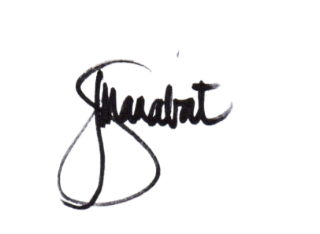 JOSEPHINE S. MANABAT |  |  |  | 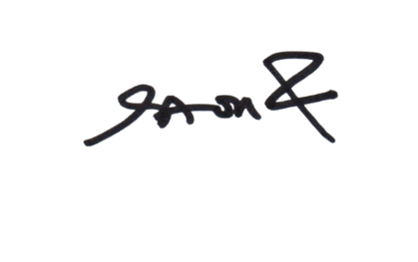 ALDWIN O. BANDALARIA |  |  |  |  | 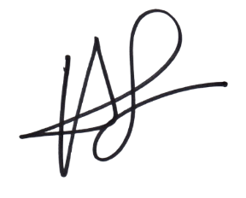 HYDEE DELA LUNA-RAMIREZ, CE, DPA, AER.
Signature over Printed Name |  |  |  | Signature over Printed Name |  |  |  |  | Signature over Printed Name
Position/Designation |  |  |  | Position/Designation |  |  |  |  | Position/Designation
Bids and Awards Committee Secretariat |  |  |  | Bids and Awards Committee Chairperson |  |  |  |  | Head of the Procuring Entity

Date : _________________ |  |  |  | Date : _________________ |  |  |  |  | Date : _________________

